Sheet2
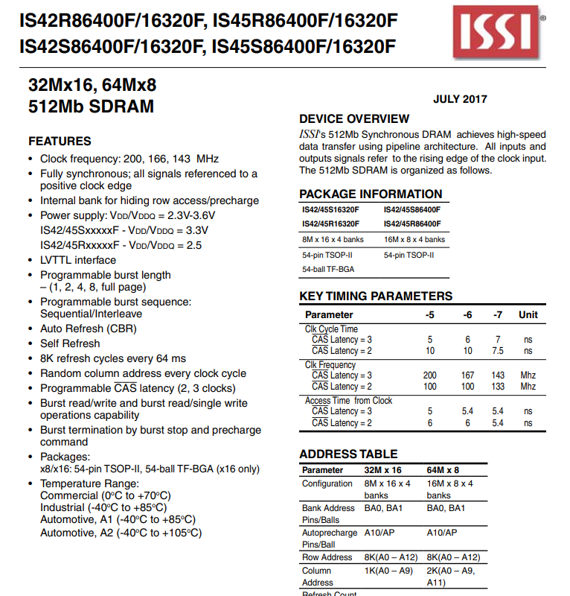
CAS | P909
RAS | P908
SDCS | P115
WE | P114
CKE | P113

SDCLK | PA09

